Sheet1
INDEX | AUTHORS | PUBISHER | YEAR OF PUBLICATION | TYPE (JOURNAL/CONFERENCE) | TITLE | RESEARCH GAP | CONTRIBUTIONS (PURPOSE) | OBJECTIVES | SIGNATURE DIAGRAM | SENSORS | TECH STACK | KPIS | RESULTS | WHATS NEXT | RELEVANCE (1-5)
001 | Meenaxi M Raikara, Meena S Mb, Mohammed Moin Mullac | Elsevier B.V. | 2020 | Conference | Software Defined Internet of Things using lightweight protocol | 1. Whether SDN technology can be employed to handle the massive growth in data volume because of the connected devices to the internet? 2. Whether the amount of data sent can be reduced per transmission to save power? • Publish Subscribe communication model. • Lightweight protocol used for transmission of data. | • Integration of virtual network in SDN and real-time campus network for establishing connectivity between virtual and real-time network. The observations are that the results in the virtual network are similar as in real-time networks. •Perform integration of SDN and IoT for efficient utilization of network resources. • Publish subscriber communication model with lightweight protocol for efficient transmission in SDN IoT architecture. | Integrate SDN and IoT for efficient network resource utilization. Use MQTT to reduce power consumption and improve real-time data transmission. Develop a testbed that connects virtual and real-world IoT networks to validate the proposed system. | 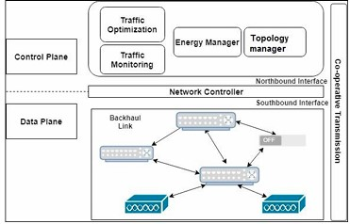 |  |  | compare the number of bytes used in packet transmission using “HTTP” and “MQTT” protocol | HTTP sends more bytes per minute but MQTT consumes less power | The comparison of MQTT and CoAP the IoT protocols could be the future work. | 3
002 | Henry Alexander Ignatious*, Hesham-El-Sayed, Manzoor Khan | Elsevier B.V. | 2021 | Conference | An overview of sensors in Autonomous Vehicles |  | This study has analysed several sensor types based on their key characteristics such as mode of operation, data type collected, general specifications and also discusses the strengths and weakness associated with every category of the sensors. The study summarizes the general specifications of different sensors manufactured by leading vendors in the market. | compare and explain sensors used in AVs. |  | LiDAR Radar Cameras |  | Frame per second (FPS), Accuracy (Acc), Detecting Range (RNG), Vertical FoV(VFOV), Horizontal FoV (HFOV)Horizontal resolution (HR0, Vertical Resolution (VR), Wavelength(λ). , Horizontal-field-of-view (HFOV), Vertical-field-of-view (VFOV), Frames per second (FPS), Image Resolution in mega pixels (Img Res), Depth frames per second (FPS) , Frequency(Freq), horizontal FoV(HFOV), Vertical FoV(VFOV), Range Accuracy (Range Acc), Velocity Range(Vel Range), ROS (Robotic Operating System) |  |  | 3
003 | Krishna Murthy Gurumurthya, Kara M. Kockelmanb,⁎ | Elsevier B.V. | 2020 | Conference | Modeling Americans’ autonomous vehicle preferences: A focus on dynamic ride-sharing, privacy & long-distance mode choices | public acceptance of AVs and how opinion changes over time, ride-sharing preferences, ehtical and privacy concerns |  | Dynamic ride-sharing preferences among adults were assessed in detail. opinions on Avs and SAVs where surveyed, to see what americans think of them, how safe, how reliable and their WTP. |  |  |  |  |  | new research should servey and see what people think of AVs with no driver. be able to rate passengers in the ride-share with you, and screen riders backgrounds. also asking about what waiting time would they prefer/accept instead of forcing a predetermined time. | 1
004 | M. Hari Narasimhan, A. L. Reinhard Kenson, and S. Vigneshwari |  | 2021 |  | Smart Bus Management and Tracking System | when smart bus apps need maintenence or fail, it leads to mismanagement, this app developed is trying to avoid that by creating an admin. Previous studies focused on either live tracking (using IoT or GPS) or bus management, but not both together. Previous research uses IoT which needs constant maintenance, so these try to use GPS module in the phone to avoid extra hw | We have managed to create a user-friendly architecture with a full-fledged user interface. an admin dashboard where they can see bus routes and assign drivers. a drive interface where he can share his location and send emergency alerts. a user interface where he can search for outes/buses and receive any relevant alerts. | create an app with an admin to handle assigning routes and manage drivers, make an app easy to use for users and drivers, use gps instead of IoT. | 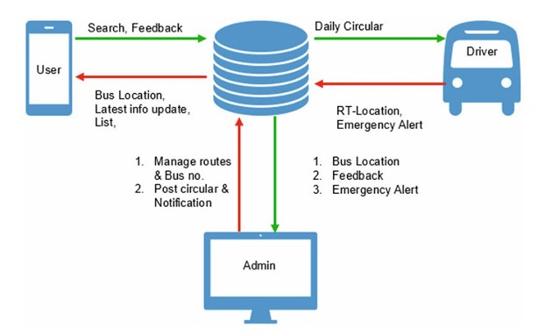 |  | Firebase for backend. andriod studio for andriod app. It uses Google Maps API for displaying the real-time location of the bus. Swift and XCode for ios app. |  |  |  | 5
005
006
007
008
009
010
011
012
013
014
015
016
017
018
019
020
021
022
023

